A. Front Suspension
 |  |  |  |  |  |  |  |  |  |  |  |  |  |  |  |  |  | RCE/22/F-003
PT SAPTAINDRA SEJATI
PLANT REBUILD CENTER

ASSEMBLY CHECK SHEET |  |  |  |  |  |  | MO/RO NUMBER |  |  |  |  |  |  |  | DOCUMENT NO
FRONT SUSPENSION |  |  |  |  |  |  | COMP.MODEL |  |  |  |  |  |  |  | PUBLIC DATE
 |  |  |  |  |  |  | COMP.S/N |  |  |  |  |  |  |  | REVISION NO |  | 0
HD785-7 |  |  |  |  |  |  | UNIT MODEL |  |  |  |  |  |  |  | PAGE |  | 1

PROCESS |  |  | START |  |  |  |  |  |  |  |  | ASSEMBLY BY
 |  |  | FINISH

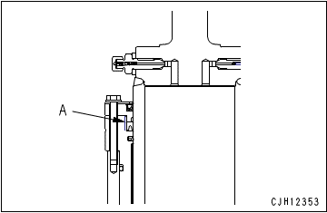
NO | PART TO INSTALL OR FIT |  |  | CONDITION TO BE ASSAMBLY |  |  |  |  |  |  | SPECIFICATION | SIGNATURE |  | SKETCH DRAWING OR PHOTHOES
 |  |  |  |  |  |  |  |  |  |  |  | MECH | GL/QA
1 | Flange
 |  |  |  |  |  | IMPORTANT
 |  |  |  |  | Check each part for dirt, flaw, etc. and apply engine oil to the sliding surfaces before assembling.
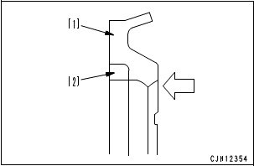

 |  |  |  | • | Install bushing (20). |  |  |  |  |  | Press fit
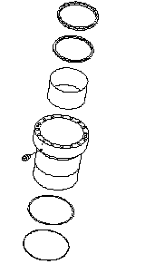
 |  |  |  | • | Install Ring (19). The arrow indicates the direction of the pressure. (See Picture)
18

 |  |  |  |  | Buffer ring (19) is divided into 2 pieces. Set the round side of [2] (black) into [1] (blue).
19
20

 |  |  |  | • | Install U-Packing (18).

 |  |  |  |  | Check that there are 4 projections on the top of the inside lip.
21

 |  |  |  |  | Apply rust-preventive oil to part (A) indicated with 2-dot chain lines on the periphery of the U-packing
22

 |  |  |  | • | Install Ring (22) and O-Ring (21).

16
17
15
2 | Rod
 |  |  |  | • | Install bushing (15). |  |  |  |  |  | Press fit

 |  |  |  |  |  | IMPORTANT
 |  |  |  |  | Make sure groove snapring seen and can be installed.

 |  |  |  | • | Install stopper (17).

 |  |  |  | • | Install wear ring (16).
 |  |  |  |  |  | Outside of wear ring : Engine oil (EO10)

9
3 | Retainer
 |  |  |  | • | Install bushing (11). |  |  |  |  |  | Press fit
 |  |  |  |  |  | Periphery of seal : Adhesive (LT-2)
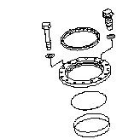
 |  |  |  | • | Install dust seal (9)

7
 |  |  |  | • | Install O-Ring (10)

11
10

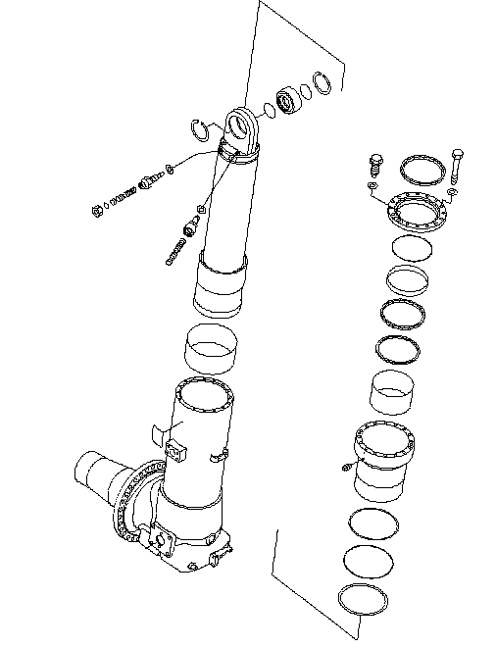
12
14
13
8
7
4 | Suspension assembly
 |  |  |  | • | Install flange (13) to the rod (12).

 |  |  |  | • | Install rod assembly (12) to the cylinder (14).

 |  |  |  | • | Install retainer (8).
 |  |  |  |  |  | Mating faces of flange and retainer :

 |  |  |  |  |  |  |  | Gasket sealant (LG-6)

 |  |  |  |  | Apply the gasket sealant evenly to hatched part (B) and apply it thinly to U-packing (C) so that it will not be projected.

 |  |  |  | • | Install mounting bolt (7) to the cylinder, then tighten with a torque wrench.

 |  |  |  |  |  | Mounting bolts : |  | Act: |  | Kgm | 18 ± 1.5 Kgm

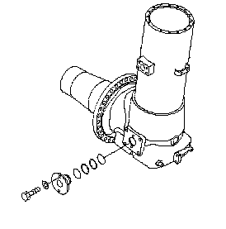
5 | Tube and Dumping Valve assembly
 |  |  |  | • | Assembly dumping valve (6), then install to the tube (5).

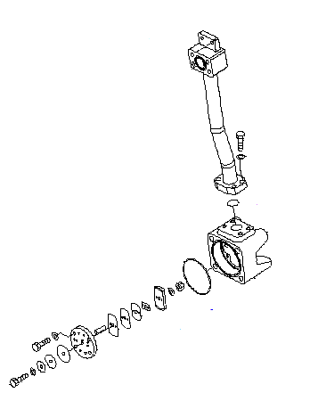
 |  |  |  |  |  | Mounting bolts : |  | Act: |  | Kgm | 6 - 7.5 Kgm
24
 |  |  |  | • | Install tube (24) to the cylinder (14), then tighten mounting bolts (23) with a torque wrench.

 |  |  |  |  |  | Mounting bolts : |  | Act: |  | Kgm | 10 - 12.5 Kgm
23
 |  |  |  | • | Install tube assembly (5) to the cylinder (14).

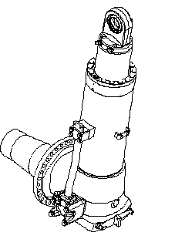
 |  |  |  | • | Install mounting bolts tube (4).
 |  |  |  |  |  | Mounting bolts body (lower):
 |  |  |  |  |  |  |  | Act: |  | Kgm | 23.5 - 29.5 Kgm
6
 |  |  |  |  |  | Mounting bolts tube (upper) :
 |  |  |  |  |  |  |  | Act: |  | Kgm | 10 - 12.5 Kgm

4

5

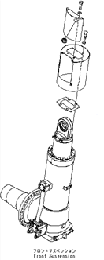
6 | Pressure Sensor, Valve assembly, and Cover
 |  |  |  | • | Install cover (3), and then install mounting bolts.
3
 |  |  |  | • | Install valve assembly (2) and pressure sensor (1) to the rod cylinder.

 |  |  |  |  |  | Valve |  | Act: |  | Kgm | 4 – 5 kgm

1
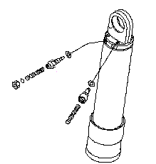

2

NOTE:

 | ASSEMBLY BY |  |  |  |  |  |  |  | INSPECTED BY |  |  |  |  |  |  | APPROVED BY

 |  | MECHANIC |  |  |  |  |  |  | QA(QUALITY ASSURANCE) |  |  |  |  |  |  | GL/SPV PRODUCTION

 |  |  |  |  |  |  |  |  |  |  |  |  |  |  |  |  |  |  | Revisi : 0

B. Hoist Cylinder
PT SAPTAINDRA SEJATI
PLANT REBUILD CENTER
 |  |  |  |  |  |  |  |  |  |  |  |  |  |  |  |  |  | RCE/22/F-003

ASSEMBLY CHECK SHEET |  |  |  |  |  |  | MO/RO NUMBER |  |  |  |  |  |  |  | DOCUMENT NO
HOIST CYLINDER |  |  |  |  |  |  | COMP.MODEL |  |  |  |  |  |  |  | PUBLIC DATE
 |  |  |  |  |  |  | COMP.S/N |  |  |  |  |  |  |  | REVISION NO |  | 0
HD785-7 |  |  |  |  |  |  | UNIT MODEL |  |  |  |  |  |  |  | PAGE |  | 1

PROCESS |  |  | START |  |  |  |  |  |  |  |  | ASSEMBLY BY
 |  |  | FINISH

NO | PART TO INSTALL OR FIT |  |  | CONDITION TO BE ASSAMBLY |  |  |  |  |  |  | SPECIFICATION | SIGNATURE |  | SKETCH DRAWING OR PHOTHOES
 |  |  |  |  |  |  |  |  |  |  |  | MECH | GL/QA
1 | Piston Assembly
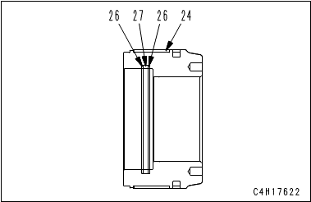
 |  |  |  |  |  | IMPORTANT
 |  |  |  |  | Clean all the parts and check them for dirt or damage. Coat their sliding surfaces with engine oil before installing.

 |  |  |  | • | Install piston ring (25) to piston (9).

 |  |  |  | • | Install wear ring (24).

 |  |  |  | • | Install backup ring (26) and O-ring (27).

 |  |  |  |  | Be careful not to damage the packings, dust seals, and O-ring when assembling.

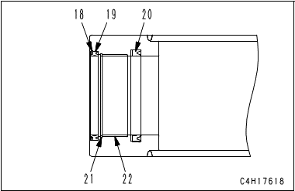
2 | Cylinder II
 |  |  |  | • | Press fit bushing (22). |  |  |  |  |  | Press fit

 |  |  |  | • | Install snap ring (21).

 |  |  |  | • | Install rod packing (20).

 |  |  |  | • | Install dust seal (19) and snap ring (18).

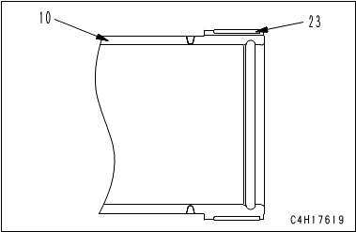
 |  |  |  | • | Install wear ring (23) to cylinder II (10).

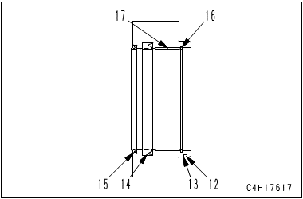
3 | Head Assembly
 |  |  |  | • | Press fit bushing (17). |  |  |  |  |  | Press fit

 |  |  |  | • | Install snap ring (16).

 |  |  |  | • | Install dust seal (15).

 |  |  |  | • | Install rod packing (14).

 |  |  |  | • | Install backup ring (13) and O-ring (12).

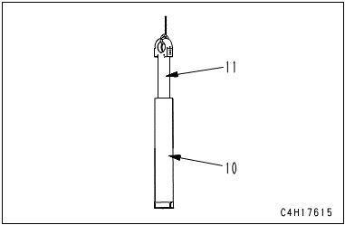
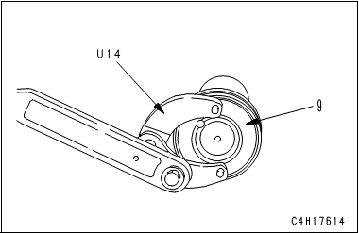
4 | Hoist Cylinder Assembly
 |  |  |  | • | Sling rod (11), and install it to cylinder II (10).

 |  |  |  |  |  | IMPORTANT
 |  |  |  |  | Be careful that dust seal portion of cylinder II (10) does not interfere with either of rod head or weld portion of rod head.

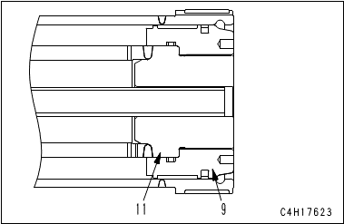
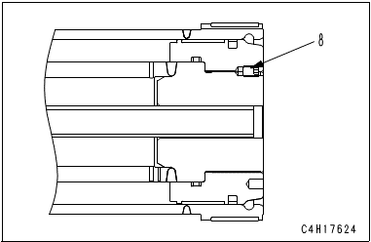

 |  |  |  | • | Install piston assembly (9) to rod (11).

 |  |  |  |  | Inserting stopper of 24 mm thickness between rod head and cylinder II can prevent cylinder II from interference with rod head.

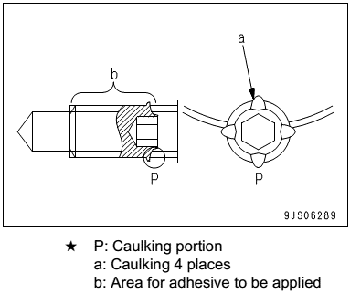
 |  |  |  | • | Screw in piston assembly (9), and tighten piston assembly (9) until the screw holes are aligned.

 |  |  |  | • | Tighten screw (8).
 |  |  |  |  |  | Internal thread of screw :
 |  |  |  |  |  |  | Adhesive (LOCTITE No. 262)
 |  |  |  |  |  | Mounting Screw : |  | Act: |  | Kgm | 6.0 – 7.5 kgm

 |  |  |  | • | Caulk thread places (a) (4 places) of screw (8) at any place on the circumference with punch.

 |  |  |  |  | After tightening, caulk it until the returning torque becomes 41.2 to 88.2 Nm {4.2 to 9 kgm}.

 | Hoist Cylinder Assembly |  |  | • | Install snap ring (7).
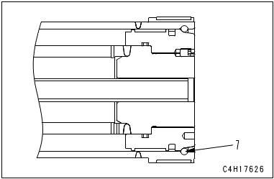
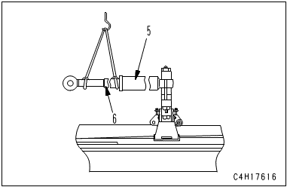
 |  |  |  | • | Install cylinder II and rod assembly (6) to cylinder I (5).

 |  |  |  | • | Install cylinder head assembly (4) and plate (3)
 |  |  |  |  | with mounting bolt (2).
 |  |  |  |  |  | Mounting Screw : |  | Act: |  | Kgm | 54 ± 8.0 kgm

 |  |  |  | • | Install grease fitting (1).

 |  |  |  |  |  |  |  |  |  |  |  |  |  | 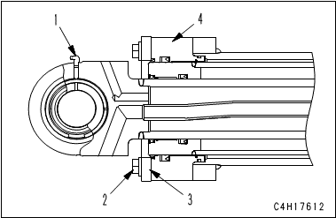

NOTE:

 | ASSEMBLY BY |  |  |  |  |  |  |  | INSPECTED BY |  |  |  |  |  |  | APPROVED BY

 |  | MECHANIC |  |  |  |  |  |  | QA(QUALITY ASSURANCE) |  |  |  |  |  |  | GL/SPV PRODUCTION

 |  |  |  |  |  |  |  |  |  |  |  |  |  |  |  |  |  |  | Revisi : 0

C. Rear Suspension
PT SAPTAINDRA SEJATI
PLANT REBUILD CENTER
 |  |  |  |  |  |  |  |  |  |  |  |  |  |  |  |  |  | RCE/22/F-003

ASSEMBLY CHECK SHEET |  |  |  |  |  |  | MO/RO NUMBER |  |  |  |  |  |  |  | DOCUMENT NO
REAR SUSPENSION |  |  |  |  |  |  | COMP.MODEL |  |  |  |  |  |  |  | PUBLIC DATE
 |  |  |  |  |  |  | COMP.S/N |  |  |  |  |  |  |  | REVISION NO |  | 0
HD785-7 |  |  |  |  |  |  | UNIT MODEL |  |  |  |  |  |  |  | PAGE |  | 1

PROCESS |  |  | START |  |  |  |  |  |  |  |  | ASSEMBLY BY
 |  |  | FINISH

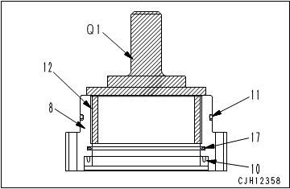
NO | PART TO INSTALL OR FIT |  |  | CONDITION TO BE ASSAMBLY |  |  |  |  |  |  | SPECIFICATION | SIGNATURE |  | SKETCH DRAWING OR PHOTHOES
 |  |  |  |  |  |  |  |  |  |  |  | MECH | GL/QA
1 | Flange
 |  |  |  |  |  | IMPORTANT
 |  |  |  |  | Clean all the parts and check them for dirt or damage. Coat their sliding surfaces with engine oil before installing.

 |  |  |  | • | Install bushing (12) to flange (8). |  |  |  |  |  | Press fit

 |  |  |  | • | Install U-packing (10).
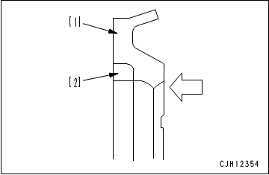
 |  |  |  |  | Apply rust-preventive oil to part "A" on the periphery of the U-packing (NISSEKI P1300 or equivalent).

 |  |  |  | • | Install buffer ring (17).

 |  |  |  |  | Buffer ring (17) is divided into 2 pieces. Set the round side of [2] (black) into [1] (blue).

 |  |  |  | • | Install backup ring and O-ring (11) to flange (8).

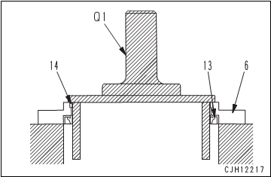
2 | Retainer
 |  |  |  | • | Install bushing (14) to retainer (6). |  |  |  |  |  | Press fit

 |  |  |  | • | Install seal (13) to retainer (6).
 |  |  |  |  |  | Periphery of seal: Adhesive (LT-2)

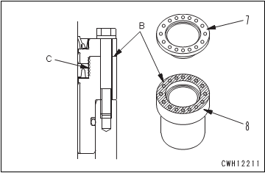
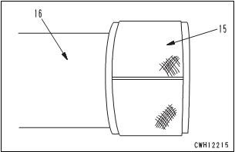
3 | Cylinder Rod Assembly
 |  |  |  | • | Install flange (8) and retainer (6) to cylinder rod assembly (7).

 |  |  |  |  |  | Mating faces of flange and retainer:
 |  |  |  |  |  |  |  | Gasket sealant (LG-6)

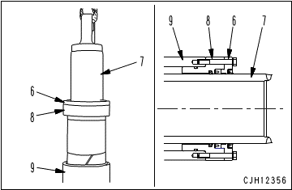
 |  |  |  |  | Apply the gasket sealant evenly to hatched part (B) and apply it thinly to U-packing (C) so that it will not be projected.

 |  |  |  | • | Erect cylinder (9).

 |  |  |  | • | Install wear ring (15) to rod (16).

 |  |  |  | • | Install cylinder rod assembly (7) together with retainer (6) and flange (8) to cylinder (9).

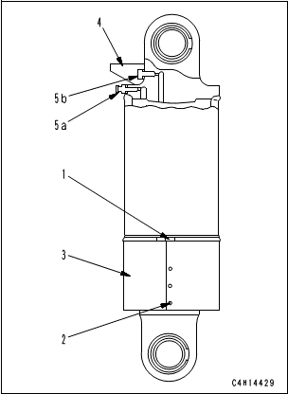
 |  |  |  |  | Be careful not to damage the packings, dust seals, and O-ring when assembling.

 |  |  |  | • | Install mounting bolts of retainer (6).
 |  |  |  |  |  | Mounting Bolt : |  | Act: |  | Kgm | 18 ± 2 kgm

 |  |  |  | • | Install oil level (5) and air intake valve (4).
 |  |  |  |  |  | Air intake valve : |  | Act: |  | Kgm | 4 – 5 kgm

 |  |  |  |  |  | Oil level valve : |  | Act: |  | Kgm | 4 – 5 kgm

 |  |  |  | • | Install cover (3).

 |  |  |  | • | Install guard (3) and fix button (2) to tighten clamp (1).

 |  |  |  |  |  | Clamp: |  | Act: |  | Kgm | 0.7 ± 0.05 kgm

 | NOTE :

 | ASSEMBLY BY |  |  |  |  |  |  |  | INSPECTED BY |  |  |  |  |  |  | APPROVED BY

 |  | MECHANIC |  |  |  |  |  |  | QA(QUALITY ASSURANCE) |  |  |  |  |  |  | GL/SPV PRODUCTION

 |  |  |  |  |  |  |  |  |  |  |  |  |  |  |  |  |  |  | Revisi : 0

D. Steering Cylinder
PT SAPTAINDRA SEJATI
PLANT REBUILD CENTER
 |  |  |  |  |  |  |  |  |  |  |  |  |  |  |  |  |  | RCE/22/F-003

ASSEMBLY CHECK SHEET |  |  |  |  |  |  | MO/RO NUMBER |  |  |  |  |  |  |  | DOCUMENT NO
STEERING CYLINDER |  |  |  |  |  |  | COMP.MODEL |  |  |  |  |  |  |  | PUBLIC DATE
 |  |  |  |  |  |  | COMP.S/N |  |  |  |  |  |  |  | REVISION NO |  | 0
HD785-7 |  |  |  |  |  |  | UNIT MODEL |  |  |  |  |  |  |  | PAGE |  | 1

PROCESS |  |  | START |  |  |  |  |  |  |  |  | ASSEMBLY BY
 |  |  | FINISH

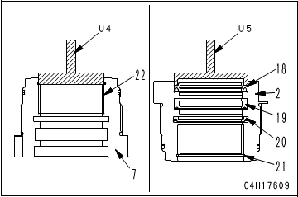
NO | PART TO INSTALL OR FIT |  |  | CONDITION TO BE ASSAMBLY |  |  |  |  |  |  | SPECIFICATION | SIGNATURE |  | SKETCH DRAWING OR PHOTHOES
 |  |  |  |  |  |  |  |  |  |  |  | MECH | GL/QA
1 | Cylinder Head and Collar
 |  |  |  |  |  | IMPORTANT
 |  |  |  |  | Clean all the parts and check them for dirt or damage. Coat their sliding surfaces with engine oil before installing.

 |  |  |  | • | Press fit bushing (22) to cylinder head (7). |  |  |  |  |  | Press fit

 |  |  |  |  | Take extreme care not to deform it.

 |  |  |  | • | Install snap ring (21).
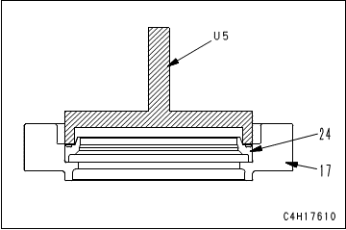
 |  |  |  | • | Install rod packing (19).

 |  |  |  |  | Install it to the direction of the following figure.

 |  |  |  | • | Install buffer ring (20).

 |  |  |  | • | Press fit dust seal (18) to cylinder head (2). |  |  |  |  |  | Press fit
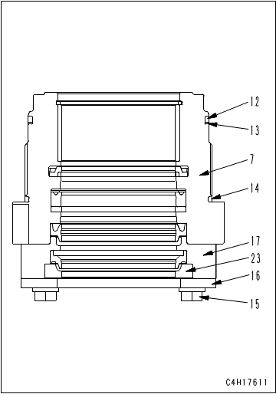
 |  |  |  | • | Press fit dust seal (24) to collar (17).

 |  |  |  | • | Install ring (23) to collar (17).

 |  |  |  | • | Install collar (17) and plate (16) with bolt and washer (15) to cylinder head (7).

 |  |  |  | • | Install O-ring (14).

 |  |  |  | • | Install the backup ring (13) and O-ring (12).

 |  |  |  |  | Take care not to damage the packings, dust seals, and O-ring etc.

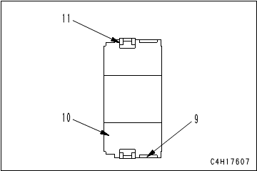
2 | Piston
 |  |  |  | • | Install piston ring (11).

 |  |  |  | • | Install wear ring (9).

 |  |  |  |  | Take care not to damage the packings, dust seals, and O-ring etc.

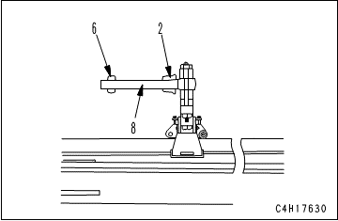
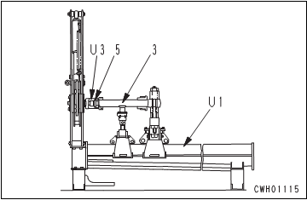
3 | Cylinder Rod Assembly
 |  |  |  | • | Install cylinder head assembly (2) and piston assembly (6) to piston rod (8).

 |  |  |  | • | Install and tighten nut (5).
 |  |  |  |  |  | Nut : Adhesive (LOCTITE No. 262)
 |  |  |  |  |  | Nut : |  | Act: |  | Kgm | 405 ± 40.5 kgm

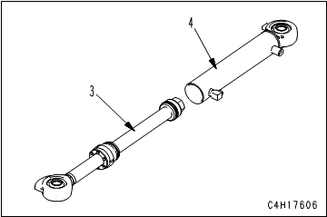
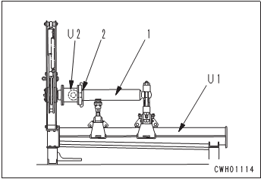

 |  |  |  | • | Install cylinder head and piston rod assembly (3) to cylinder (4).

 |  |  |  | • | Tighten cylinder head nut (2).
 |  |  |  |  |  | Cylinder head nut : |  | Act: |  | Kgm | 95 ± 9.5 kgm

NOTE:

 | ASSEMBLY BY |  |  |  |  |  |  |  | INSPECTED BY |  |  |  |  |  |  | APPROVED BY

 |  | MECHANIC |  |  |  |  |  |  | QA(QUALITY ASSURANCE) |  |  |  |  |  |  | GL/SPV PRODUCTION

 |  |  |  |  |  |  |  |  |  |  |  |  |  |  |  |  |  |  | Revisi : 0

